Cover sheet
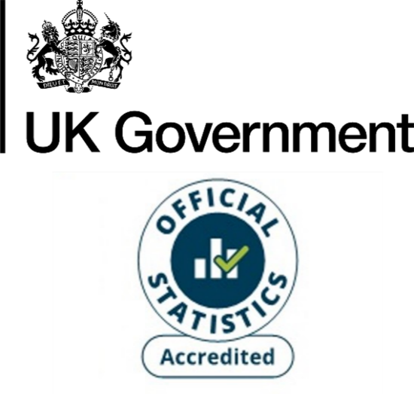
Domestic gas consumption by Lower Layer Super Output Area (LSOA), Great Britain, 2010 - 2024
This workbook presents Accredited Official Statistics on domestic (household) gas consumption by Lower Layer Super Output Area (LSOA) in Great Britain. This includes Data Zones (Scotland's equivalent of LSOAs). The data tables for the years 2015 onwards are based on the latest available Census geographies for England and Wales (2021) and Scotland (2022). The data tables for earlier years are based on the 2011 Census geographies.
These estimates are weather-corrected. This means that the effect of differences in weather conditions between years has been removed to provide more like for like comparisons over time.
These statistics should not be aggregated to local authority, regional or country level (reasons for discrepancies between the various geographical levels are discussed in the Subnational energy statistics methodology note). Users should use:
Regional and local authority gas consumption tables
The gas consumption years used in these statistics are as follows:
Prior to 2014: same October – September period as 2014 and 2015
2014: October 2013 – September 2014
2015: October 2014 – September 2015
2016: mid-July 2016 – mid-July 2017
2017: mid-June 2017 – mid-June 2018
2018: mid-May 2018 – mid-May 2019
2019: mid-May 2019 – mid-May 2020
2020: mid-May 2020 – mid-May 2021
2021: mid-May 2021 – mid-May 2022
2022: mid-May 2022 – mid-May 2023
2023: mid-May 2023 – mid-May 2024
2024: mid-May 20234– mid-May 2025
Contents
Following this Cover sheet this workbook contains the gas consumption estimates which are presented in the form of one sheet for each of the years 2010 - 2024.
Publication dates
Publication date: 18 December 2025
Next update: December 2026
Revisions
The statistics for the years 2015 onwards are revised each year to reflect additional/new information acquired. This includes:
- Updates to the National Statistics Postcodes Lookup (NSPL), which is used to match postcodes to LSOAs. These updates reflect changes to postcodes. The latest version of the NSPL is used for each year for 2015 onwards for consistency across the time series.
- Updates to the meter address information resulting in corrections and updates to postcodes. The most recent valid postcode information for each meter is used across all years for 2015 onwards for consistency across the time series.
- Additional information gathered about earlier years, from investigating anomalous year-on-year changes in consumption.
The 2023 table was revised on 19th December to correct an error in the non-domestic gas consumption for 1 area in the North East.
Methodology
These figures are based on meter level gas consumption data provided by Xoserve (who compile meter level data from gas shippers, who in turn receive the data from gas suppliers). Xoserve provide annualised estimates of consumption (AQs) for all gas meters. Xoserve provide the AQs on a weather corrected basis by a process which accounts for regional temperatures and wind speed and incorporates trends.
The gas meters are classified as being domestic or non-domestic according to their (weather-corrected) gas consumption. Those with an annual consumption less than the industry cut-off of 73,200 kWh are classified as domestic and the rest are classified as non-domestic. This means that some small industrial and commercial consumers will be classified as domestic.
The Number of meters column only includes consuming meters (meters which have consumed gas in the given year), with non-consuming meters reported in a separate column from 2015 onwards. Both mean and median consumption statistics are based on consuming meters only.
For more information about these gas consumption statistics, see Section 2 of:
Subnational energy statistics methodology note
Units
The figures for average (mean and median) gas consumption per meter point are presented in kilowatt hours (kWh).
The figures for total gas consumption in this workbook are presented in kWh, while the consumption totals for countries, regions and local authorities published in the regional and local authority gas consumption tables are presented in the gigawatt hours (GWh). 1GWh = 1 million kWh.
Elsewhere, energy consumption statistics are often presented in kilotonnes of oil equivalent (ktoe). 1 ktoe = 11.63 GWh.
No data provided
Where no figures are provided for a given LSOA this is because no domestic gas meters were allocated to the LSOA. The possible reasons for this are:
- No domestic gas meters had postcodes which could be matched to the LSOA in question. This includes LSOAs which had no domestic properties connected to the gas grid.
- Any domestic gas meters matched to the given LSOA were re-allocated to the "Unallocated" row for disclosure control reasons (e.g. if there were fewer than 5 meters matched to the LSOA).
Subnational energy consumption publications
Subnational electricity consumption in Great Britain
Subnational gas consumption in Great Britain
Subnational road transport consumption in the UK
Subnational residual fuel consumption in the UK (non-electricity, non-gas, non-road transport)
Subnational total final consumption for the UK (aggregating consumption from across the other publications)
Contact details
Responsible statistician: Paulina Baig
energyefficiency.stats@energysecurity.gov.uk
newsdesk@energysecurity.gov.uk

